START
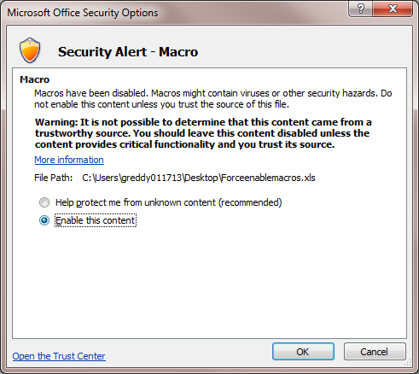
 | You must enable macros before using this workbook

Please follow the steps as given below:

Step 1: Click on "Options" Button, you will get a Dialog box as give below:

Step 2: Click on "Enable this Content"

